Sheet1
Bug Report
Bug ID | Test Case ID | Priority | Severity | Type | Title | Steps to reproduce | Expected result | Actual result | Screenshot | Suggested solutions
1 | TC2 | Low | Low | Non-Functional (Cosmetic bug) | The "Group" label in Product section is inclined. | 1. Open the app. 2. Reach the product section. | "Group" label should not be inclined. | The "Group" label is inclined. | 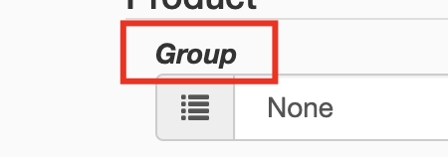 | Adjust the CSS styling to ensure the "Group" label is displayed horizontally.
2 | TC2 | Low | Low | Non-Functional (Cosmetic bug) | The "Picture" label in product section is incorrect. | 1. Open the app. 2. Reach the product section. | "Picture" label is displayed properly. | The "Picture" label is "Pictaure". | 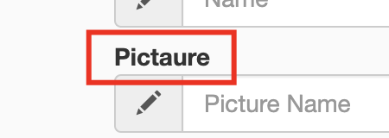 | Correct the spelling of the "Picture" label to ensure it displays as intended.
3 | TC2 | Medium | Low | Non-Functional (Cosmetic bug) | The visual indicator "*" on required fields is missing. | 1. Open the app. 2. Reach the product section. | The visual indicator"*" is visible on all required labels. | 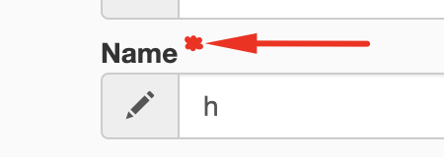 All required fields are without the " * " indicator. |  | Add the "*" indicator to all required fields to signify their mandatory nature.
4 | TC2 | Medium | Low | Functional (Logical bug) | The default value of "0" in the "Sort Order" field may be inconsistent with the expected behavior. | 1. Open the app. 2. Reach the product section. | Sort Order field is empty by default | Sort Order field contains '0' by default. | 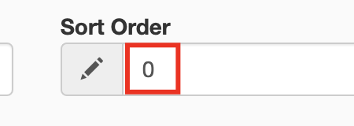 | Set the default value of the "Sort Order" field to be empty or another appropriate default.
5 | TC4 | High | High | Functional (Logical bug) | Radio buttons in product section, toggle incorrectly each other. | 1. Open the app. 2. Reach the Product section. 3. Check the radio buttons. | Clicking on the one radio button should uncheck the other. | Both radio buttons remain untoggled. | 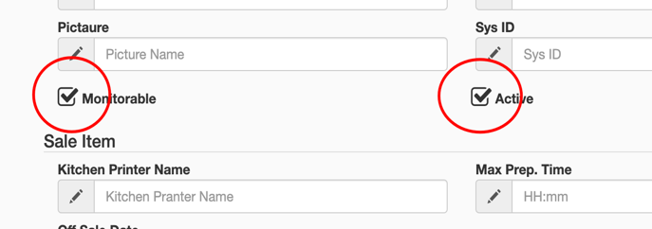 | Implement a toggle behavior for radio buttons to ensure only one can be selected at a time.
6 | TC2 | Medium | Low | Functional (Logical bug) | The error message "Product name cannot be null or undefined" is not specific to the context and is same for most fields in "Product" section. | 1. Open the app. 2. Reach the product section. 3. Leave all fields empty and press "Save". | Every messgae is unique for every field and indicate for the right error that occur. | The error message is same for all fields except "Picture" and "Print text" field in "Product section". | 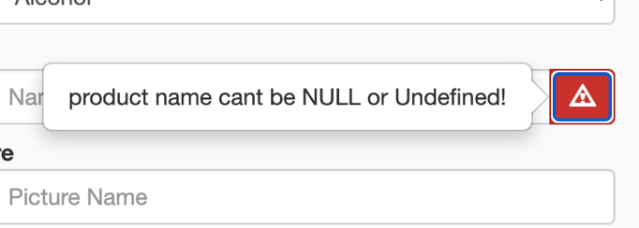 | Customize error messages for each field in the "Product" section to provide context-specific feedback.
7 | TC5 | High | High | Functional (Logical bug) | "Sys ID" field accept non-numerial values, without indicating for error. | 1. Open the app. 2. Reach the product section. 3. Insert text into Sys ID field. | The Sys ID accepts only data of type integer and indicate for error. | Sys ID field does not respond. |  | Implement validation to allow only integer values in the "Sys ID" field and display an error for non-numeric input.
8 | TC2 | Low | Low | Non-Functional (Cosmetic bug) | The error message uses informal language with "cant" and does not start with capital letter. | 1. Open the app. 2. Reach the product section. 3. Leave field empty and press "Save". | The error message is using the formal form - "can not." and start with capital letter. | The error message is using informal form - "cant" and starts with lowercase letter. | 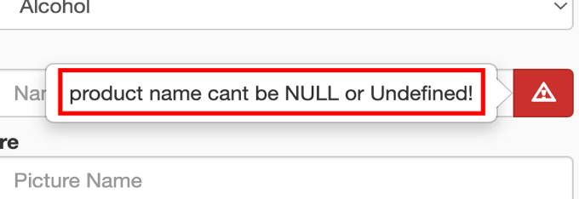 | Use formal language and ensure that error messages start with a capital letter for a more professional presentation.
9 | TC5 | High | High | Functional (Logical bug) | Missing Validation for Incompatible Group and Type Selection | 1. Open the app. 2. Reach the product section. 3. Interact with Group and Type dropdowns. | System is indicating an error when selecting certain incompatible combinations of Group and Type. | No error is shown for incompatible Group and Type selections. | 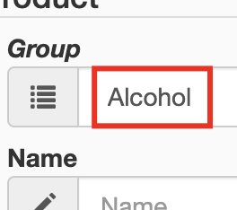 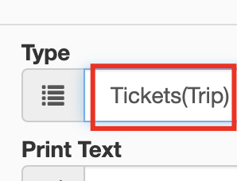 | Implement validation to indicate an error when selecting incompatible combinations of Group and Type.
10 | TC6 | Low | Low | Non-Functional (Cosmetic bug) | The "Printer" label in sale item section is incorrect. | 1. Open the app. 2. Reach the sale section. | "Printer" label is displayed properly. | "Printer" label is "Pranter" | 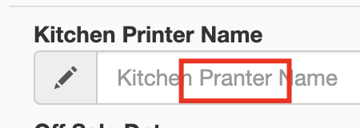 | Correct the spelling of the "Printer" label to ensure accuracy.
11 | TC7 | Medium | Medium | Functional (Logical bug) | Max Prep. Time Field in Sale section, allows non-numeric Input | 1. Open the app. 2. Reach the sale section. 3. Type non-numeric value | Error should be indicated for non-numeric input in "Max Prep. Time. | Non-numeric input is accepted without error. | 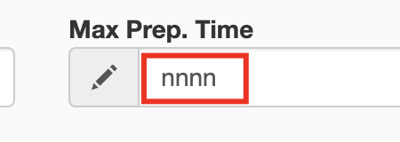 | Implement validation to indicate an error for non-numeric input in the Max Prep. Time field.
12 | TC7 | Medium | Medium | Functional (Logical bug) | Inconsistent Validation for On Sale Date and Off Sale Date Fields | 1. Open the app. 2. Reach the sale section. 3. Type date after 2019-12-31. Click "Save" with all filled from "Product" section. | The system is accepting all valid date formats and indicate an error for any non-numeric values entered into the "On Sale Date" and "Off Sale Date" fields. | Non-numeric values are accepted without error and fields accepts only dates between 2010-01-01 and 2020-01-01. | 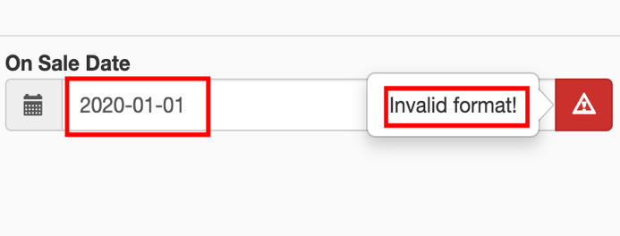 | Implement consistent validation to accept only valid date formats within the specified range.
13 | TC9 | Low | Low | Non-Functional (Cosmetic bug) | The date icon in stock item section is missing. | 1. Open the app. 2. Reach the stock section. | Date icon is displayed. | Date icon is missing. | 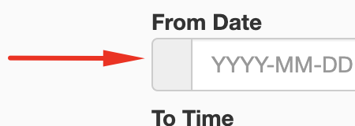 | Check the code responsible for displaying the date icon in the stock item section.
14 | TC2 | Medium | Low | Non-Functional (Cosmetic bug) | Incorrect Label for InFobLobCount radio button. | 1. Open the app. 2. Reach the stock section. | The InFobLobCount radio button have a clear and accurate label. | The label for the InFobLobCount radio button displays incorrect text. | 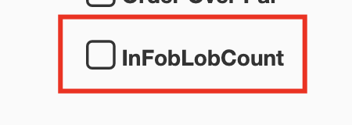 | Review the code related to the InFobLobCount radio button label. Correct the label text
15 | TC10 | Medium | Medium | Functional (Logical bug) | Inconsistent Validation for from date and to date Fields | 1. Open the app. 2. Reach the sale section. 3. Type date after 2019-12-31. Click "Save" with all filled from "Product" section. | The system is accepting all valid date formats and indicate an error for any non-numeric values entered into the "On "From Date" and "To Date" fields. | Non-numeric values are accepted without error and fields accepts only dates between 2010-01-01 and 2020-01-01. | 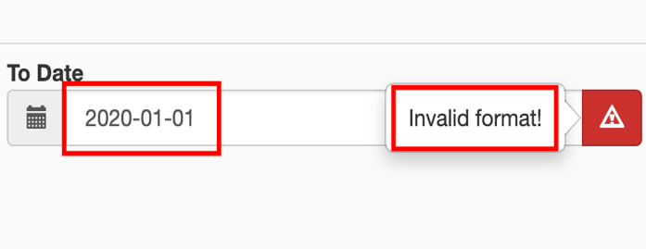 | Implement validation to reject non-numeric values in the "From Date" and "To Date" fields.
16 | TC10 | Medium | Medium | Functional (Logical bug) | "From Rime" and "To Time" fields in stock section, allows non-numeric Input | 1. Open the app. 2. Reach the stock section. 3. Type non-numeric value. 4.Click "Save" with all filled from "Product" section. | Error should be indicated for non-numeric input in "From Time" and "To Time" fields. | Non-numeric input is accepted without error. | 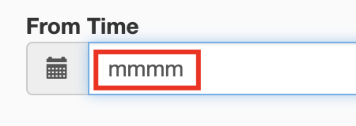 | Implement validation to indicate an error for non-numeric input in the "From Time" and "To Time" fields.
17 | TC13 | Medium | Low | Non -Functional (Cosmetic bug) | Inclusion of unrecognized currency code (CRU) in dropdowns | 1. Open the app. 2. Reach the price section. 3. Type numeric value in price field. Check the dropdowns. | The "Currency" and "Tax Group" dropdowns should only include valid and recognized currency codes. | The "CRU" currency code is included in both the "Currency" and "Tax Group" dropdowns, despite it not being a valid currency code. | 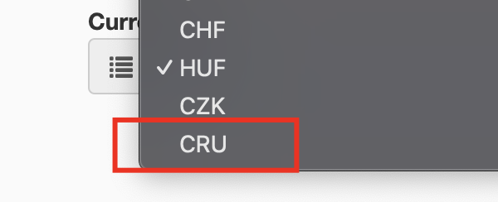 | Remove the invalid "CRU" currency code from the dropdowns.
18 | TC14 | Medium | Medium | Functional (Logical bug) | Inconsistent Validation for "Valid From" field. | 1. Open the app. 2. Reach the price section. 3. Type numeric value in price field. Check the "Valid From" field. | The system is accepting all valid date formats and indicate an error for any non-numeric values entered into the "Valid From" field. | Non-numeric values are accepted without error and field accepts only dates between 2010-01-01 and 2020-01-01. | 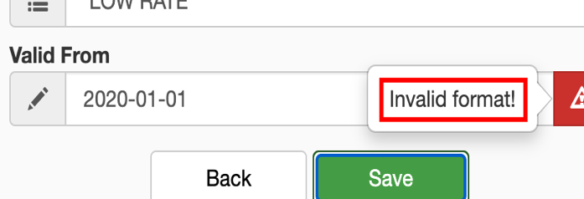 | Implement consistent validation to accept only valid date formats within the specified range.
19 | TC14 | High | Medium | Functional (Logical bug) | Free Tax Group Enables Price Section | 1. Open the app. 2. Reach the product section. 3. Select "Free" option in "Product" section. 4. Check the "Price" section. | Choosing "Free" from the "Tax Group" dropdown in the Product section should render the Price section inaccessible. | Despite selecting "Free" in the Tax Group, the Price section remains accessible, allowing input. |  | Ensure selecting "Free" in the Tax Group makes the Price section inaccessible.
20 | TC14 | High | High | Functional (Logical bug) | Inconsistent Currency Selection Across Fields | 1. Open the app. 2. Reach the price section. 3. Type numeric value in price field. 4. Check the "Currency" and "Tax Group" dropdowns. | The currency selected in the "Tax Group" field should be consistent with the currency selected in the "Currency" field. | It is possible to choose different currencies (e.g., GBP in "Tax Group" and EUR in "Currency") simultaneously, leading to inconsistency. |  | Ensure consistency by restricting the selection of different currencies in these fields.
21 | TC14 | High | Medium | Functional (Logical bug) | Unintended Field Unlocking and Data Retention in Price Section | 1. Open the app. 2. Fill Product section. 3. Reach Price section. 4. Insert a price in the Price section. 5. Observe the remaining fields getting unlocked. 6. Insert data into the unlocked fields. 7. Clear the price field. | After clearing the price field, the remaining fields in the Price section should return to a locked state, and any data entered into those fields should be cleared. | Clearing the price field locking the fields and the previously entered data is retained. |  | Adjust the logic to lock fields and clear data upon clearing the price field.
22 | TC14 | High | Medium | Functional (Logical bug) | Unintended Field Lock After Invalid Date Entry and Price Deletion | 1. Open the app. 2. Fill product section. 3. Reach the price section. 4. Insert price. 5.Fill in an invalid date in the "Valid From" field in the Price section. 6. Click the "Save" button. 7. Delete the entered price. | After deleting the price, the other fields in the Price section should remain locked or return to a locked state. | When product is saved with error in "Valid From" field and the the price field is cleared, the remain fields from price section remain unlocked but not responsible. | 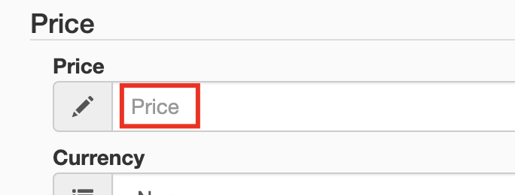 | Correct the system behavior to lock fields after deleting the price and handle errors appropriately.
23 | TC14 | High | Medium | Functional (Usability Bug) | Delayed Fields Locking After Price Deletion in Price Section | 1. Open the app. 2. Reach the Price section. 3. Insert a price in the Price section. 4. Observe the remaining fields getting unlocked. 5. Delete the inserted price. 6. Observe the delay in the system locking the fields again. | After deleting the price, the remaining fields in the Price section should promptly return to a locked state. | Deleting the price causes a delay of approximately 13 seconds before the remaining fields in the Price section are locked again and vice versa. | 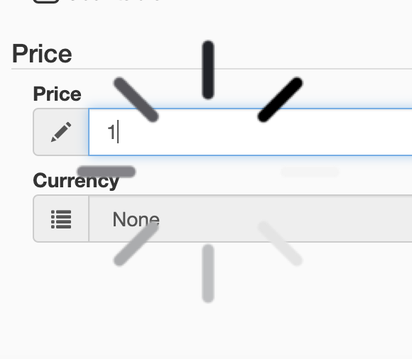 | Optimize the system to promptly lock the fields after deleting the price.

23 | TC16 | High | High | Functional (Logical bug) | Ensure the product can be saved successfully with valid data. | 1. Open the product creation/saving form. 2. Fill in all required fields with valid data. 3. Click the "Save" button. | Successful save of the product without errors. A confirmation message is displayed. | Uncertain confirmation of product save; system does not provide a visible response. |  | Display a clear error message indicating the reason for the failure.
24 | TC17 | High | High | Functional (Logical bug) | Ensure the product can not be saved successfully with invalid data. | Verify the product is not saved in the system. An error message indicating the reason for the failure is displayed. | Verify the product is not saved in the system. An error message indicating the reason for the failure is displayed. | The system does not save the product as expected, but no specific error message is displayed. |  | Display a clear error message indicating the reason for the failure.
25 | TC18 | High | High | Functional (Logical bug) | Ensure the product can not be saved successfully with missing data. | 1. Open the app. 2. Fill in all required fields with missing or invalid data. 3. Click the "Save" button. | An error message indicating missing or invalid data is displayed. | The system displays error only when the "Sort Order" field left empty and "Valid From" field is wrong during the product save process. |  | Implement validation to display errors for all missing or invalid data during product save.
26 | TC19 | High | High | Functional (Logical bug) | Ensure the product cannot be saved with an existing product. | 1. Open the app. 2. Attempt to save a product with the same details as an existing product. 3. Click the "Save" button. | An error message indicating that the product already exists is displayed. | The system does not display an error wether the product is added or not. |  | Display an error message indicating that the product already exists upon attempting to save with existing details.
27 | TC20 | High | High | Functional (Logical bug) | Ensure the product cannot be saved with data exceeding maximum | Open the app. Enter data in fields exceeding their maximum character limit. Click the "Save" button.. | An error message indicating character limit exceeded is expected. | The system does not display any kind of error. |  | Implement validation to display an error when data exceeds the maximum character limit.

